CP - P3 - Status Tracking
Customer Portal - Phase III - Status Tracking

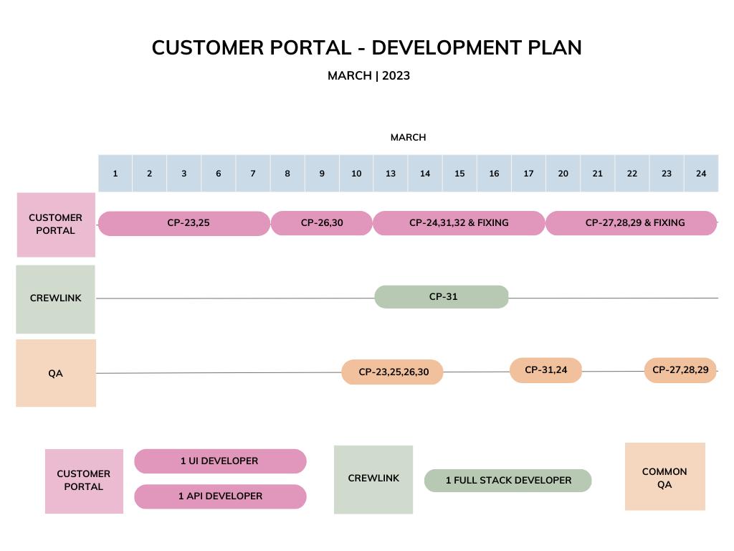
 | User Story ID | User story Title | Apps | Dev Completion (%)
 | CP-23 | DFR Signature | CP | 100
 | CP-24 | Customer, Contract and Region Mapping | CP | 100
 | CP-25 | Removing Labor and Equipment Comments | CP | 100
 | CP-26 | Sign out Button UI | CP | 100
 | CP-27 | User Role Mapping | CP | 75
 | CP-28 | User Access screen for Mears Admin | CP | 60
 | CP-29 | User Access screen for Client specific Admin | CP | 60
 | CP-30 | Adding Password Reset Requirements | CP | 100
 | CP-31 | Adding Requestor’s Name | CL | 90
 | CP-32 | Requestor’s Name Validation | CP | 95

 |  | Completed
 |  | In Testing
 |  | In-Progress
 |  | Next work item
 |  | Not yet started

